Sheet1
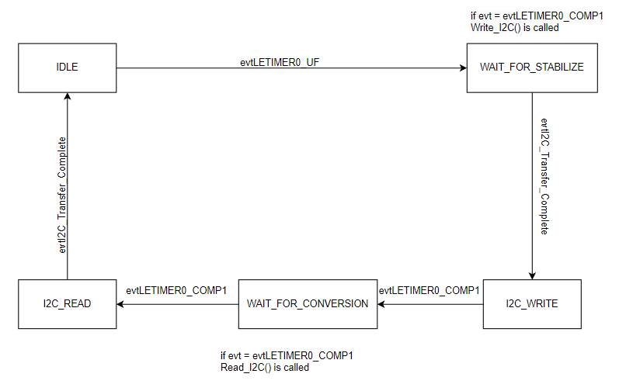
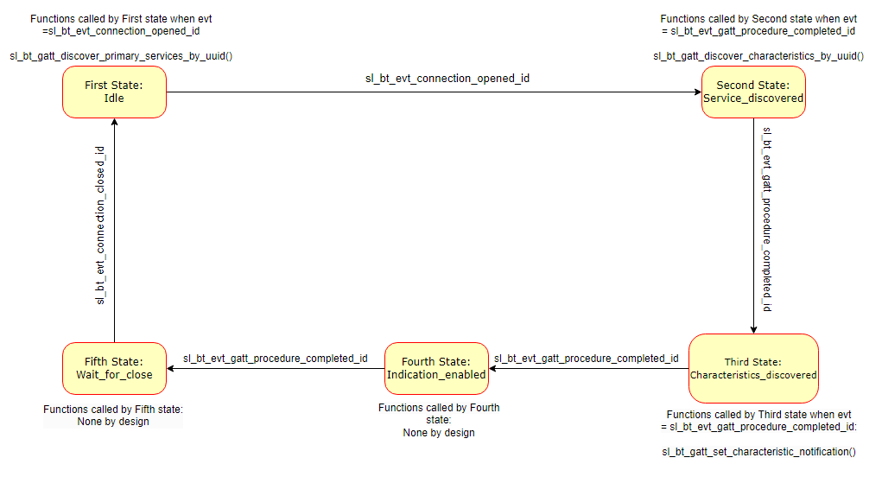
 | Client Command Table for A9
 |  |  |  |  |  | DISCOVERY STATE MACHINE for A7
 | Use this table to help you design your program. Add rows as needed. | Use this column to describe when and what your LCD display changes to for rows like DISPLAY_ROW_CONNECTION | Use this column to denote if BT stack events cause your state machine to advance, you can put an X in the cell to note this. Drawing a bubble diagram of your state machine might also be a good idea 👍. | Commands that may be useful: sl_bt_gatt_discover_primary_services_by_uuid() sl_bt_gatt_discover_characteristics_by_uuid()
 | Event | LCD Display State | Advances State Machine | Commands called in response to event | Notes
Events Common to Slaves/Clients
 | sl_bt_evt_system_boot_id |  |  | This event is generated on stack boot up | You can also document in column D values that need to be saved in response to receiving BT stack events.
 |  |  |  | sl_bt_scanner_set_mode() on client side in event responder | Set phy to 1M and mode to passive scanning
 |  |  |  | sl_bt_scanner_set_timing() on client side in event responder | Set phy to 1M, scan interval to 50ms and scan window to 25ms
 |  | Client: DISPLAY_ROW_NAME on client |  | sl_bt_connection_set_default_parameters() on client side in event responder | See the assignment document for these values
 |  | Discovering: DISPLAY_ROW_CONNECTION on client |  | sl_bt_scanner_start() on client side in event responder | You should start and stop scanning just like you did with advertising for a Server.
 |  | Client address on DISPLAY_ROW_BTADDR on client |  | sl_bt_sm_configure() on client side in event responder
 |  | Server address on DISPLAY_ROW_BTADDR2 on client |  | sl_bt_sm_delete_bondings() on client side in event responder
 |  | Server: DISPLAY_ROW_NAME on server |  | sl_bt_system_get_identity_address() on server side in event responder
 |  | Advertising: DISPLAY_ROW_CONNECTION on server |  | sl_bt_advertiser_create_set() on server side in event responder
 |  | Server address on DISPLAY_ROW_BTADDR on server |  | sl_bt_advertiser_set_timing() on server side in event responder
 |  |  |  | sl_bt_advertiser_start() on server side in event responder

 | sl_bt_evt_connection_opened_id | Connected: DISPLAY_ROW_CONNECTION on both server and client | X | sl_bt_gatt_discover_primary_services_by_uuid() (for htm) in discovery state machine
 |  |  | Save connection handle | sl_bt_advertiser stop() and sl_bt_connection parameters() on server side in event responder
 | sl_bt_evt_connection_closed_id | Advertising: DISPLAY_ROW_CONNECTION on server & Discovering: DISPLAY_ROW_CONNECTION on client | X | sl_bt_advertiser_start() on server side in event responder , sl_bt_scanner_start() and sl_bt_sm_delete_bondings() on client side in event responder

 | sl_bt_evt_system_soft_timer_id |  |  |  | This event indicates that a soft timer has expired.

 | sl_bt_evt_system_external_signal_id | Button Pressed/Released on DISPLAY_ROW_9 |  | sl_bt_sm_passkey_confirm() on client side in event responder (when PB0 pressed and not bonded)
 |  |  |  | sl_bt_gatt_read_characteristic_value() on client side in event responder (when PB1 is pressed on client gecko)
 | sl_bt_evt_sm_confirm_bonding_id |  |  | sl_bt_sm_bonding_confirm() on client side in event responder | Indicates a user request to display that the new bonding request is received and for the user to confirm the request. sl_bt_sm_bonding_confirm is called to accept/reject the bonding request

 | sl_bt_evt_sm_confirm_passkey_id | DISPLAY_ROW_PASSKEY with passkey DISPLAY_ROW_ACTION, Confirm with PB0 |  |  | Indicates a request for passkey display and confirmation by the user. Triggered from sm_bonding confirm

 | sl_bt_evt_sm_bonding_failed_id |  |  |  | This event is triggered if the pairing or bonding procedure fails.

 | sl_bt_evt_sm_bonded_id | DISPLAY_ROW_CONNECTION, "Bonded" on server and client |  |  | Triggered after the pairing or bonding procedure is successfully completed.

Events only for Masters/Clients
 | sl_bt_evt_scanner_scan_report_id |  |  | sl_bt_scanner_stop() on client side in event responder sl_bt_connection_open() on client side in event responder | Received for advertising or scan response packets generated by: sl_bt_scanner_start(). Is the bd_addr, packet_type and address_type what we expect for our Server? If yes: sl_bt_scanner_stop() sl_bt_connection_open()

 | sl_bt_evt_gatt_procedure_completed_id |  | X | sl_bt_gatt_discover_primary_services_by_uuid() ( for button) in discovery state machine | We get this event when it’s ok to call the next GATT command. It’s a good idea to check for returned error codes. This would be a great event to use to sequence your new state machine. Save a boolean here to save gatt command status. Can call next GATT command after this
 |  |  | X | sl_bt_gatt_discover_characteristics_by_uuid() (for htm)in discovery state machine
 |  |  | X | sl_bt_gatt_discover_characteristics_by_uuid() (for button)(in discovery state machine
 |  |  | X | sl_bt_gatt_set_characteristic_notification()(for htm) in discovery state machine
 |  |  | X | sl_bt_gatt_set_characteristic_notification()(for button) in discovery state machine
 |  |  |  | sl_bt_sm_increase_security() on client side in event responder (when PB1 is pressed)

 | sl_bt_evt_gatt_service_id |  | Save GATT HTM and button service handles based on gatt service UUID data |  | A GATT service in the remote GATT database was discovered

 | sl_bt_evt_gatt_characteristic_id |  | Save GATT HTM and button characteristic handles based on gatt characteristic UUID data |  | A GATT characteristic in the remote GATT database was discovered

 | sl_bt_evt_gatt_characteristic_value_id |  |  | sl_bt_gatt_send_characteristic_confirmation() on client side in event responder | If an indication or notification has been enabled for a characteristic, this event is triggered whenever an indication or notification is received from the remote GATT server. Is the characteristic handle and att_opcode we expect? If yes: sl_bt_gatt_send_characteristic_confirmation()

 | Server Command Table for A8

 | Use this table to help you design your program. Add rows as needed. | Use this column to describe when and what your LCD display changes to for rows like DISPLAY_ROW_CONNECTION | Use this column to denote if BT stack events cause your state machine to advance, you can put an X in the cell to note this. Drawing a bubble diagram of your state machine might also be a good idea 👍. | Commands that may be useful: sl_bt_gatt_discover_primary_services_by_uuid() sl_bt_gatt_discover_characteristics_by_uuid()
 | Event | LCD Display State | Advances State Machine | Commands called in response to event | Notes
 | sl_bt_evt_system_boot_id | DISPLAY_ROW_NAME, "Server" |  | sl_bt_system_get_identity_address() | Read the Bluetooth identity address used by the device
 |  | DISPLAY_ROW_BTADDR, "Server Address" |  | sl_bt_advertiser_create_set() | Create an advertising set.
 |  | DISPLAY_ROW_CONNECTION, "Advertising" |  | sl_bt_advertiser_set_timing() | Set the advertising timing parameters of the given advertising set
 |  | DISPLAY_ROW_ASSIGNMENT, "A8" |  | sl_bt_advertiser_start() | Start advertising of a given advertising set with specified discoverable, connectable modes
 |  |  |  | sl_bt_sm_configure() | Configure security requirements and I/O capabilities of the system
 |  |  |  | sl_bt_sm_delete_bondings() | Delete all bonding information and accept list filtering from the persistent store

 | sl_bt_evt_connection_opened_id | DISPLAY_ROW_CONNECTION, "Connected" |  | sl_bt_advertiser_stop() | Stop the advertising of the given advertising set
 |  |  |  | sl_bt_connection_set_parameters() | Request a change in the connection parameters of a Bluetooth connection

 | sl_bt_evt_connection_closed_id | DISPLAY_ROW_CONNECTION, "Advertising" |  | sl_bt_advertiser_start() | Start advertising of a given advertising set with specified discoverable, connectable modes
 |  | DISPLAY_ROW_TEMPVALUE, "" |  | sl_bt_sm_delete_bondings() | Delete all bonding information and accept list filtering from the persistent store
 |  | DISPLAY_ROW_9, ""
 |  | DISPLAY_ROW_ACTION, ""
 |  | DISPLAY_ROW_PASSKEY, ""

 | sl_bt_evt_system_external_signal_id | DISPLAY_ROW_9, "Button Pressed" if PB0 pressed |  | sl_bt_sm_passkey_confirm() | Called to create a bond in the case bond has not been created already and when PB0 is pressed
 |  |  |  | sl_bt_gatt_server_write_attribute_value() | If the bond is created, the gatt database is updated when button is pressed/released
 |  |  |  | sl_bt_gatt_server_send_indication() | When there are no indicaitons inflight, the button indication is sent (when button is pressed/released). If there is already one indication inflight, then this indication is queued into a circular buffer using a user defined API
 |  | DISPLAY_ROW_9, "Button Released" if PB0 is not pressed
 |  | DISPLAY_ROW_PASSKEY, ""
 |  | DISPLAY_ROW_ACTION, ""

 | sl_bt_evt_system_soft_timer_id |  |  |  | When the soft timer expires, the indication_queue is read using user defined API

 | sl_bt_evt_gatt_server_characteristic_status_id |  |  |  | A local Client Characteristic Configuration descriptor (CCCD) was changed by the remote GATT client, or That a confirmation from the remote GATT Client was received upon a successful reception of the indication I.e. we sent an indication from our server to the client with sl_bt_gatt_server_send_indication()
 |  |  |  |  | ok_to_send_PB0_indications and ok_to_set_HTM_indications set to true or false based on config flags and indication_inflight flags

 | sl_bt_evt_sm_confirm_bonding_id |  |  | sl_bt_sm_bonding_confirm() | Indicates a user request to display that the new bonding request is received and for the user to confirm the request. sl_bt_sm_bonding_confirm is called to accept/reject the bonding request

 | sl_bt_evt_sm_confirm_passkey_id | DISPLAY_ROW_PASSKEY, "Passkey:%d", ble_data_ptr->passkey |  |  | Indicates a request for passkey display and confirmation by the user. Triggered from sm_bonding confirm
 |  | DISPLAY_ROW_ACTION, "Confirm with PB0"

 | sl_bt_evt_sm_bonded_id | DISPLAY_ROW_CONNECTION, "Bonded" |  |  | Triggered after the pairing or bonding procedure is successfully completed.

 | sl_bt_evt_sm_bonding_failed_id |  |  |  | This event is triggered if the pairing or bonding procedure fails.

 |  |  |  |  | TEMPERATURE STATE MACHINE for A8

